Sheet1
Sr. No. | Photograph | Name/Address/Mobile No. | MOBILE NO.
1 | 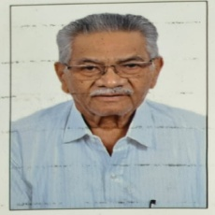 | Natvarlal S Chudasama 23, Rajvi Bunglows,N/R Sobo Centre South Bopal, Ahmedabad - Gujarat | 7567602801
2 |  | Veenaben N Chudasama 23, Rajvi Bunglows,N/R Sobo Centre South Bopal, Ahmedabad - Gujarat | 9426458971
3 |  | Alpesh N Chudasama 23, Rajvi Bunglows,N/R Sobo Centre South Bopal, Ahmedabad - Gujarat | 9825294014
4 |  | Nisha A Chudasama 23, Rajvi Bunglows,N/R Sobo Centre South Bopal, Ahmedabad - Gujarat | 8980001240
5 |  | Khushi A Chudasama 23, Rajvi Bunglows,N/R Sobo Centre South Bopal, Ahmedabad - Gujarat | 6355614314
6 |  | Kashvi A Chudasama 23, Rajvi Bunglows,N/R Sobo Centre South Bopal, Ahmedabad - Gujarat | 9825294014
7 |  | Kavy A Chudasama 23, Rajvi Bunglows,N/R Sobo Centre South Bopal, Ahmedabad - Gujarat | 9825294014
8 |  | Satyen N Chudasama 47, Jaldeep - II , N/R New Police Station South Bopal, Ahmedabad - Gujarat | 9825475627
9 | 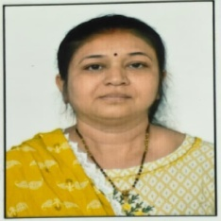 | Falguni S Chudasama 47, Jaldeep - II , N/R New Police Station South Bopal, Ahmedabad - Gujarat | 9925445822
10 | 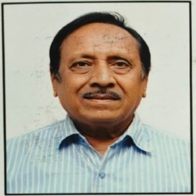 | Chhotubhai J Kadia B-6, Hariom Apartment, N/R Times Of India, Satellite, Ahmedabad, Gujarat | 9879399732
11 |  | Vanita P Chudasama Block- 4, Ashirvad Vidhyutnagar Society, 60 Feet Road, Veraval, Gujarat | 9426169540
12 | 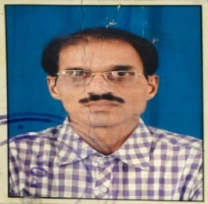 | Hasmukh P Chudasama Block- 4, Ashirvad Vidhyutnagar Society, 60 Feet Road, Veraval, Gujarat | 9426169540
13 |  | Neetaben H Chudasama Block- 4, Ashirvad Vidhyutnagar Society, 60 Feet Road, Veraval, Gujarat | 9428014529
14 |  | Meenaben G Prajapati 29-A, Aarohi club plot association aarohi plot club road, ghuma, ahmedabad , gujarat | 9712931477
15 |  | Mahesh M chudasama 22, Janta nagar society, vejalpur ahmedabad, gujarat | 9825308886
16 | 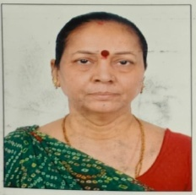 | Bhavnaben M chudasama 22, Janta nagar society, vejalpur ahmedabad, gujarat | 9925008886
17 |  | Akash M chudasama 22, Janta nagar society, vejalpur ahmedabad, gujarat | 8128292941
18 |  | Mansi A chudasama 22, Janta nagar society, vejalpur ahmedabad, gujarat | 8128292941
19 |  | Kanjibhai S chudasama D-4 , Kailash tenament vejalpur, ahmedabad, gujarat | 9825548643
20 |  | Rajesh K chudasama D-4 , Kailash tenament vejalpur, ahmedabad, gujarat | 9824577640
21 |  | Deepti R chudasama D-4 , Kailash tenament vejalpur, ahmedabad, gujarat | 9904747589
22 | 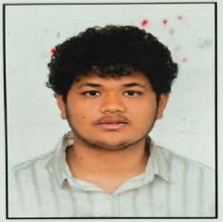 | Vraj R chudasama D-4 , Kailash tenament vejalpur, ahmedabad, gujarat | 9328242599
23 |  | Shruti R chudasama D-4 , Kailash tenament vejalpur, ahmedabad, gujarat | 9824577640
24 |  | Chandrikaben H chudasama 23, Jantanagar society , vejalpur ahmedabad , gujarat | 8980056010
25 | 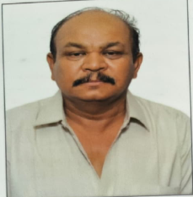 | Sanjaybhai K chudasama 25, Jantanagar society , vejalpur ahmedabad , gujarat | 9824356003
26 | 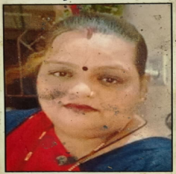 | Dimpalben s chudasama 25, Jantanagar society , vejalpur ahmedabad , gujarat | 8320862049
27 | 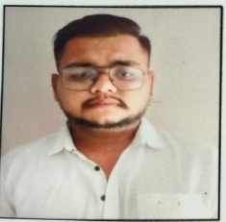 | Vishal S chudasama 25, Jantanagar society , vejalpur ahmedabad , gujarat | 6351653149
28 |  | Ekta s chudasama 25, Jantanagar society , vejalpur ahmedabad , gujarat | 9824356003
29 |  | Rahul B Patani G/601, shyam kutir, hanspura ahmedabad , gujarat | 9601006602
30 |  | Devangi R Patani G/601, shyam kutir, hanspura ahmedabad , gujarat | 6354783513
31 |  | Bharatbhai V Chudasama 25, hariskunj society , vejalpur ahmedabad, gujarat | 8200290611
32 |  | Hanshaben B Chudasama 25, hariskunj society , vejalpur ahmedabad, gujarat | 7990786935
33 |  | Parshotam V Chudasama 18, jantanagar society jivarajpark ahmedabad, gujarat | 7990808908
34 |  | Manisha P Chudasama 18, jantanagar society jivarajpark ahmedabad, gujarat | 9904644294
35 |  | Sushila V Chudasama 18, jantanagar society jivarajpark ahmedabad, gujarat | 7990808908
36 |  | Kantaben V Jethva 11-B, jignasha society vejalpur ahmedabad, gujarati | 9016605521
37 | 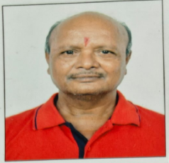 | Sanjaybhai R Chudasama B-908, aarambh by sanvi nirman, chandloda ahmedabad, gujarati | 9737976066
38 |  | Gitaben S Chudasama B-908, aarambh by sanvi nirman, chandloda ahmedabad, gujarati | 9265323240
39 |  | Varshaben K Chudasama A-302, vinayak bhakti dham tounship, palgam surat, gujarat | 9978842344
40 |  | Dayalal P Jethva near shitlakund B/H liberty theater junagadh, gujarat | 9428926432
41 |  | Gauriben D Jethva near shitlakund B/H liberty theater junagadh, gujarat | 9428926432
42 |  | Jayeshbhai K Chavda plot 52A, mayurnagar, zanzarda road , nr yamuna waddi junagadh, gujarat | 9825662714
43 |  | Pragnaben J Chavda plot 52A, mayurnagar zanzada road , nr yamuna waddi junagadh, gujarat | 9825662714
44 |  | Pareshbhai K Chavada dwarikadish ranchodnagar-2 zanzadaroad junagadh, gujarat | 9825475726
45 |  | Darshnaben P Chudasama dwarikadish ranchodnagar-2 zanzadaroad junagadh, gujarat | 9825475726
46 |  | Bhartiben J Chudasama hatkesvar temple line, opp.malaviya menshan, jawahar road junagadh, gujarat | 9824849109
47 |  | Jagdishbhai D Chudasama hatkesvar temple line, opp.malaviya menshan, jawahar road junagadh, gujarat | 9824849109
48 |  | Taraben J Chuhan deepganga apartment, street no 2,nagar road, junagadh,gujarat | 9974953641
49 |  | Narendrabhai L Chudasa nr. Canal, chhaya. porbandar, gujarat | 9825312550
50 | 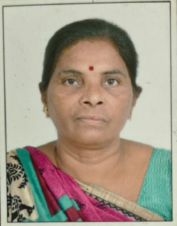 | Bhavnaben G Chudasa 308, srusthi flat, jalaram mandir road,manzalpur, vadodra, gujarat | 7969441246
51 |  | Girishbhai L chudasama 308, srusthi flat, jalaram mandir road,manzalpur, vadodra, gujarat | 9925270842
52 |  | Maheshbhai T chudasama kamdar society, dattar road junagadh, gujarat | 9714343490
53 | 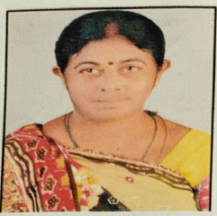 | Nilamben M Chudasama kamdar society, dattar road junagadh, gujarat | 9714343490
54 |  | Prakash L Chudasama shri ram society, chhaya porbandar, gujarat | 9081194822
55 |  | Nirmala P Chudasama shri ram society, chhaya porbandar, gujarat | 6351572626
56 | 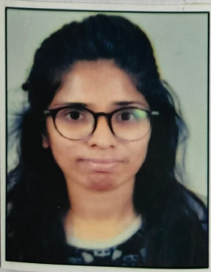 | Janki P Chudasama 12,karmachari society porbandar, gujarat | 7405473812
57 |  | Rupesh L Chudasama 05, 5th floor girikunj apartment mangnath road junagadh, gujarat | 9574242475
58 |  | Urmila R Chudasama 05, 5th floor girikunj apartment mangnath road junagadh, gujarat | 9723510461
59 |  | Paragbhai L Chudasama 403, rajmahel apartment zanzarda road, junagadh, gujarat | 6352474547
60 | 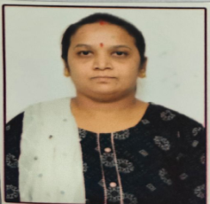 | Poonamben P Chudasama 403, rajmahel apartment zanzarda road, junagadh, gujarat | 9714889446
61 | 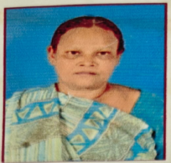 | Pushpaben L Chudasama 403, rajmahel apartment zanzarda road, junagadh, gujarat | 9574242475
62 |  | Naynaben B Chudasama A/402, swaminarayan apartmjent jakatnaka cenal rd surat, gujarat | 9909506538
63 |  | Gitaben V Solanki C/4, deepsagar apartment, kalva chowak junagadh, gujarat | 9429765033
64 |  | Truptiben V solanki C/4, deepsagar apartment, kalwa chowak junagadh, gujarat | 8329983975
65 |  | Harshaben S Solanki shivkrupa, jeevandham society junagadh, gujarat | 9898835263
66 |  | Hitesh D Chudasama 10, sugam apartment, annant bhrampuri junagadh, gujarat | 9924112039
67 |  | Pravina H Chudasama 10, sugam apartment, annant bhrampuri junagadh, gujarat | 9428240469
68 |  | Bhargav Dinesh Mehta I/203, rajyash reevanta, vasana ahmedabad, gujarat | 9574411181
69 |  | Urmila D Mehta apni dukan, bhoi wdda jamnagar, gujarat | 9824810550
70 |  | Ushaben H Chudasama 103, k k avenue, park colony jamnagar, gujarat | 9824818834
71 |  | Hemlataben P Solanki D/16, madhuram flats, jivrajpark cross road Ahmedabad, gujarat | 9510730211
72 |  | Bhargavi D Jethva D/16, maddhuram flats, jivrajpark cross road ahmedabad, gujarat | 9427101281
73 |  | Nalini H Solanki B-47, gunatitnagar gate no-4, opp. attachaki junagadh, gujarat | 8320875934
74 |  | Hiren A Solanki B-47, gunatitnagar gate no-4, opp. attachaki junagadh, gujarat | 9824527679
75 |  | Ashokkumar C Chauhan C/19, parampark society , manjalpur vadodara11, gujarat | 7600030180
76 |  | Anitaben A Chauhan C/19, parampark society , manjalpur vadodara11, gujarat | 9725059996
77 |  | Kalpanaben J Solanki F/14, neelkamal apartment, talav darvaja junagadh, gujarat | 9924687242
78 |  | Jagdish L Solanki F/14, neelkamal apartment, talav darvaja junagadh, gujarat | 9824220900
79 |  | Gitaben R solanki 14-A, 1004 green city , bagban circle, pal bhata surant, gujarat | 7041195806
80 |  | Jayantilal N Chudasama uttasav, neelkanth society, station plot dhoraji, gujarat | 9426535979
81 |  | Induben j Chudasama uttasav, neelkanth society, station plot dhoraji, gujarat | 9426535979
82 |  | Ramniklal A Chudasama 38, carborandam society near new bazar, Okha Port, Gujarat. | 9924389024
83 |  | rekha R Chudasama 38, carborandam society near new bazar, okkaha poat, gujarat | 9737990528
84 |  | Denish K Chudasama ganji wadda, behind balmandir, street no-4 jamjodhpur, gujarat | 9904199410
85 |  | Manisha D Chudasama ganji wadda, behind balmandir, street no-4 jamjodhpur, gujarat | 9904199410
86 |  | Riyansh D Chudasama ganji wadda, behind balmandir, street no-4 jamjodhpur, gujarat | 9904199410
87 |  | Kiritbhai T Chudasama Ganji wadda, near sanyashi ashram jamjodhpur, gujarat | 9925561075
88 |  | Ramaben K Chudasama Ganji wadda, near sanyashi ashram jamjodhpur, gujarat | 9924734237
89 |  | Vijay K Chudasama Ganji wadda, near sanyashi ashram jamjodhpur, gujarat | 9924734237
90 |  | Arati V Chudasama Ganji wadda, near sanyashi ashram jamjodhpur, gujarat | 9924734237
91 |  | Hetanshri V Chudasama Ganji wadda, near sanyashi ashram jamjodhpur, gujarat | 9924734237
92 |  | Jenil A Chudasama Ganji wadda, near sanyashi ashram jamjodhpur, gujarat | 9924734237
93 |  | Jitendrabhai B Chudasama 22, amrapali row house gate-2, police chowaki pal adajan, surat gujarat | 8866680008
94 |  | Sarlaben J Chudasama 22, amrapali row house gate-2, police chowaki pal adajan, surat gujarat | 9726560202
95 |  | nehaben M Jadav A/401, saurabh apartment, opp.saurabh police chawki pal, suart gujarat | 9825030021
96 |  | Nilamben D Chudasama A/403, swaminarayan apartment, palanpur jakatnaka, cenal road surat, gujarat | 925537295
97 |  | Chirag D Chudasama A/403, swaminarayan apartment, palanpur jakatnaka, cenal road surat ,gujarat | 9601378887
98 |  | Dipakbhai B Chudasama 401, park view flats, dindayal society, palanpur patiya, surat gujarat | 7990597776
99 |  | Ushaben D Chudasama 401, park view flats, dindayal society, palanpur patiya, surat gujarat | 9898989200
100 |  | Ashvinbhai B Jadav A-1, 1303 orchid fantasia apartment, ugat bhestan road, surat gujarat | 9157297478
101 |  | sobhaben A Jadav A-1, 1303 orchid fantasia apartment, ugat bhestan road, surat gujarat | 7622008775
102 |  | Rajubhai D Chudasama C/703, struti arista, near L.P.savani scl, palanpur,surat gujarat | 9909002990
103 |  | Dipaben R Chudasama C/703, struti arista, near L.P.savani scl, palanpur,surat gujarat | 9725167072
104 |  | Bhikhabhai A Parmar Thakor Faliya, C/O: S.J.vaghela Ghuma,ahmedabad gujarat | 9429476954
105 |  | Girish R Prajapati A-29, Arohi club plot-A, Arohi club road south bopal, ahmedabad gujarat | 9925031477
106 |  | Krish G prajapati A-29, Arohi club plot-A, Arohi club road south bopal, ahmedabad gujarat | 9978631477
107 |  | Dhruv G Prajapati A-29, Arohi club plot-A, Arohi club road south bopal, ahmedabad gujarat | 9978431477
108 |  | Alpaben K Bhoi 212, main bajar, Mora, Panchmahal, gujarat | 8320585763
109 |  | Megha K Bhoi 212, main bajar mora, mora panchmahal, gujarat | 9316636472

